Clients Requirement
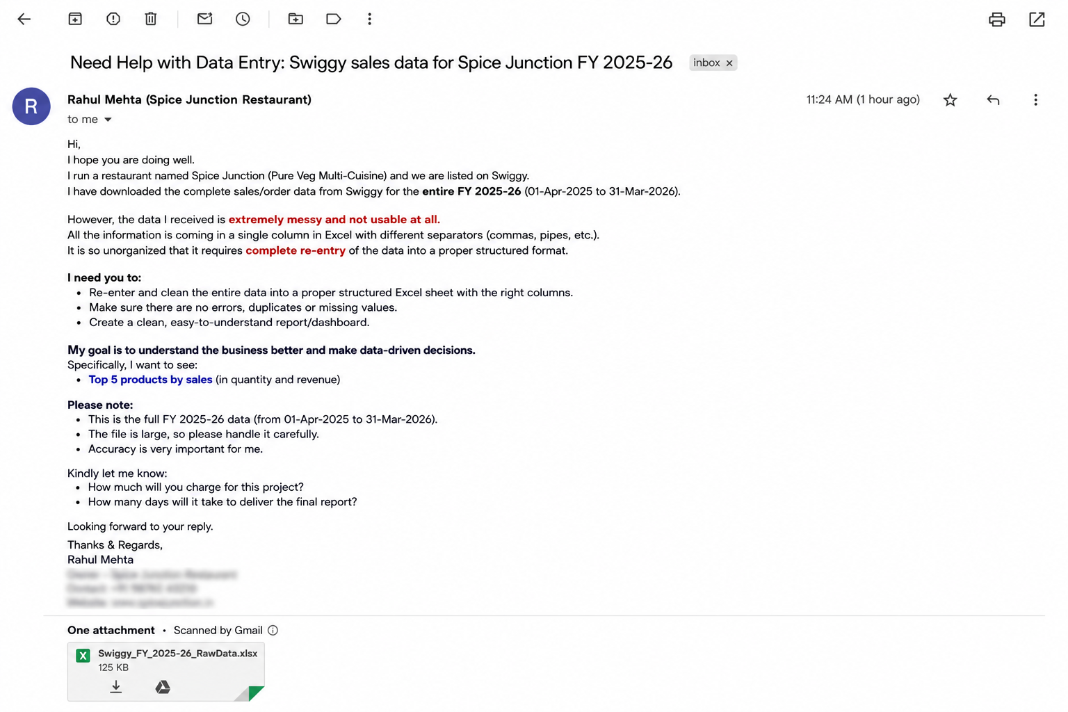
Clients's Requirement

Home Work
Write Total 5 least selling items in the comment section of this video :)



Fulfil the requirement and I'll Pay you a Good amount...

I have downloaded orders data from Zomato and it needs to be re-enter as its completely messy. Kindly re-write the data into multiple columns.

